HPC
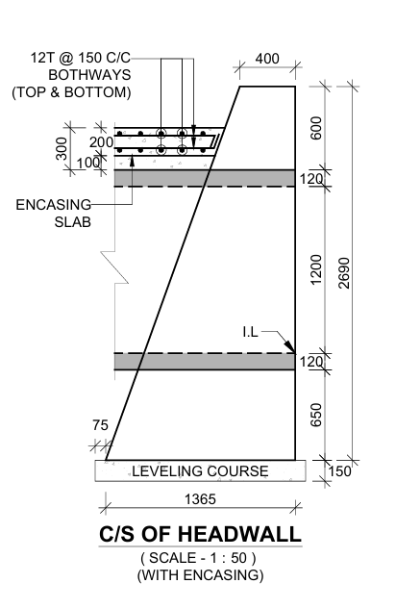
Sr.No. | Item | Unit | Number | Length | Width | Depth | Qty. | Remarks
1 | PCC for Head Wall | Cum | 1 | 9.560 | 1.565 | 0.150 | 2.244
2 | Head Wall |  |  |  |  |  |  |  |  | Ht | Length
2.01 | Concrete Qty. | Cum | 1 | 9.560 | 0.883 | 2.690 | 22.695 |  |  | 2.69 | 0.4
2.02 | Deduction for Pipe | Cum | -2 | 0.874 | Area= | 1.629 | -2.845
 | Total= | Cum |  |  |  |  | 19.849
3 | Concrete Bedding
3.01 | PCC for Bedding | Cum | 1 | 30.000 | 4.080 | 0.540 | 66.096 |  |  | 2.09 | 0.615
3.02 | Deduction for Pipe | Cum | -1 | 30.000 | Area= | 0.296 | -8.877
 | Total= | Cum |  |  |  |  | 57.219
4 | Encasing
4.01 | Concrete Encasing | Cum | 1 | 30.000 | 4.080 | 1.160 | 141.984
4.02 | Deduction for Pipe | Cum | -1 | 30.000 | Area= | 2.961 | -88.839
 | Total= | Cum |  |  |  |  | 53.145
5 | Encasing Slab | Cum | 1 | 30 | 4.080 | 0.200 | 24.48
 |  |  |  |  |  |  |  |  |  | 0.65 | 1.132

 |  |  |  |  |  |  |  |  |  | 0 | 1.365

 |  |  |  |  |  |  |  |  |  | 0.720 | 1.440
 |  |  |  |  |  |  |  |  | 0.720 | 0.340 | 0.680 | 0.340
 |  |  |  |  |  |  |  |  | 0.380 | 0.000 | 0.000
 |  |  |  |  |  |  |  |  | 0.340

